Sheet1
 |  | Project Name:- |  | Bug Report for the level supermind Apllication
 |  | Test Designed By:- |  | Shubham Giri
 |  | Test Designed Date:- |  | 2025-03-01
 |  | Test Executed By:- |  | Shubham Giri
 |  | Test Executed Date:- |  | 2025-03-04

Bug ID | Bug Description | Severity | Priority | Status | Expected Result | Actual Result | Test Case ID | Screenshot
Bug-001 | Verify user should able to register with enter number in userName and valid all credentials | Critical | Medium | open | Verify that User should be sign in with name button enter number and valid cardentials(phone no) | the user is able to register succesfully | TC-011

Bug-002 | verify that user should be check Login Button avalable or not | Critical | Medium | open | verify that user should be check Login Button avalable or not | verify that user is check Login Button not avalable | TC-059

Bug-003 | verify that user should be check Back Button on the Signup Page | Critical | Medium | open | verify that user should be check Back Button on the Signup Page | verify that user is check Back Button not availble on the Signup Page | TC-060 | 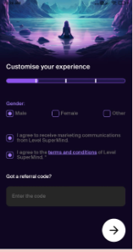

Bug-004 | Verify that user should be check Profile Section should be in the Right Place | Critical | High | open | Verify that user should be check Profile Section should be in the Right Place | Verify that user is check Profile Section is not in the Right Place | TC-061

